Neighbour User Based
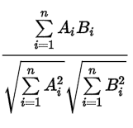
User Based Collaborative Filtering |  |  |  |  |  | K=2
$$Cosine\left(Alice,U1\right)=\frac{5∗3+3∗1+4∗2+4∗3}{√(5^{2}+3^{2}+4^{2}+4^{2})∗√(3^{2}+1^{2}+2^{2}+3^{2})}$$
 | Item 1 | Item 2 | Item 3 | Item 4 | Item 5
Alice | 5 | 3 | 4 | 4 | ? | Pair | Correlation | Cosine
User 1 | 3 | 1 | 2 | 3 | 3 | Alice, U1 | 0.85 | 0.97532130444
User 2 | 4 | 3 | 4 | 3 | 5 | Alice, U2 | 0.71 | 0.99224263895
User 3 | 3 | 3 | 1 | 5 | 4 | Alice, U3 | 0.00 | 0.89072354283
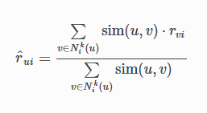
User 4 | 1 | 5 | 5 | 2 | 1 | Alice, U4 | -0.79 | 0.79668735637
$$r_{Alice5}=\frac{0.85∗3+0.71∗5}{0.85+0.71}$$
Considering only ratings and similarties
 |  |  |  |  |  | Prediction | 3.91 | 4.01
 |  |  |  |  |  | Prediction | 4.87 | 4.90

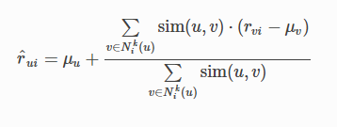
$$r_{Alice5}=Averag{eRating}_{Alice}+\frac{0.85∗(3−Avg\left(User1\right)+0.71∗(5−Avg\left(user2\right))}{0.85+0.71}$$
Considering average effects as well

Neighbour Item Based
Item Based Collaborative Filtering |  |  |  |  |  | K=2
$$Cosine\left(I1,I5\right)=\frac{3∗3+4∗5+3∗4+1∗1}{\sqrt{{(3}^{2}}+4^{2}+3^{2}+1^{2})∗√(3^{2}+5^{2}+4^{2}+1^{2})}$$
 | Item 1 | Item 2 | Item 3 | Item 4 | Item 5
Alice | 5 | 3 | 4 | 4 | ? | Pair | Correlation | Cosine
User 1 | 3 | 1 | 2 | 3 | 3 | I1,I5 | 0.97 | 0.99
User 2 | 4 | 3 | 4 | 3 | 5 | I2,I5 | -0.48 | 0.74
User 3 | 3 | 3 | 1 | 5 | 4 | I3,I5 | -0.43 | 0.72
User 4 | 1 | 5 | 5 | 2 | 1 | I4,I5 | 0.58 | 0.94
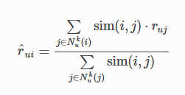
$r_{Alice5}=\frac{0.97∗5+0.58∗4}{0.97+0.58}$
Considering only ratings and similarties
 |  |  |  |  |  | Prediction | 4.63 | 4.51
 |  |  |  |  |  | Prediction | 4.59 | 4.47

$$r_{Alice5}=Avg\left(Item5\right)+\frac{0.97∗(5−Avg\left(Item1\right)+0.58∗(4−Avg\left(Item4\right))}{0.97+0.58}$$
Considering average effects as well

